Feuil1
alphamax | m | n | ng | C1 | C2 | alphagel | murheo |  |  |  | t1 | t2 | t3 | t4 | t5 |  | Checking
1 | 0.2724 | 1.2125 | 90000000000 | 28.7 | 21.1 | 0.36 | 2.5 |  |  |  | 65 | 245 | 260 | 380 | 600 | Total time | ok
 |  |  |  |  |  |  |  |  |  |  |  |  |  | RAMPrefroi | -0.72727272727 | Cold return performance | ok
 |  |  |  |  |  |  |  |  |  |  |  |  |  | RAMPMax | -5 | Resolution performance | ok
Cycle | Ramp1 | Tiso1 | Duration at Tiso1 | Ramp 2 | Tiso2 | Duration at Tiso2 | Tini=Tfini | Cycle duration without cold | Total Cycle duration | Resolution | deltat (min) |  |  | RESOLUTIONMax | 800
1 | 2 | 150 | 180 | 2 | 180 | 120 | 20 | 400 | 600 | 200 | 2
2 | 10 | 180 | 120
3 | 5 | 160 | 60 | 5 | 180 | 120
4 | tbd

 |  |  | Cas1
t | T | T(K) | k1 | k2 | Calcul alpha | Viscosity
0 | 20 | 293.15 | 7.5569763655E-11 | 5.1475304727E-07 | 0
2 | 24 | 297.15 | 1.3116473631E-10 | 6.6731091226E-07 | 1.5113952731E-10
4 | 28 | 301.15 | 2.243492706E-10 | 8.7622096519E-07 | 3.2332852292E-09
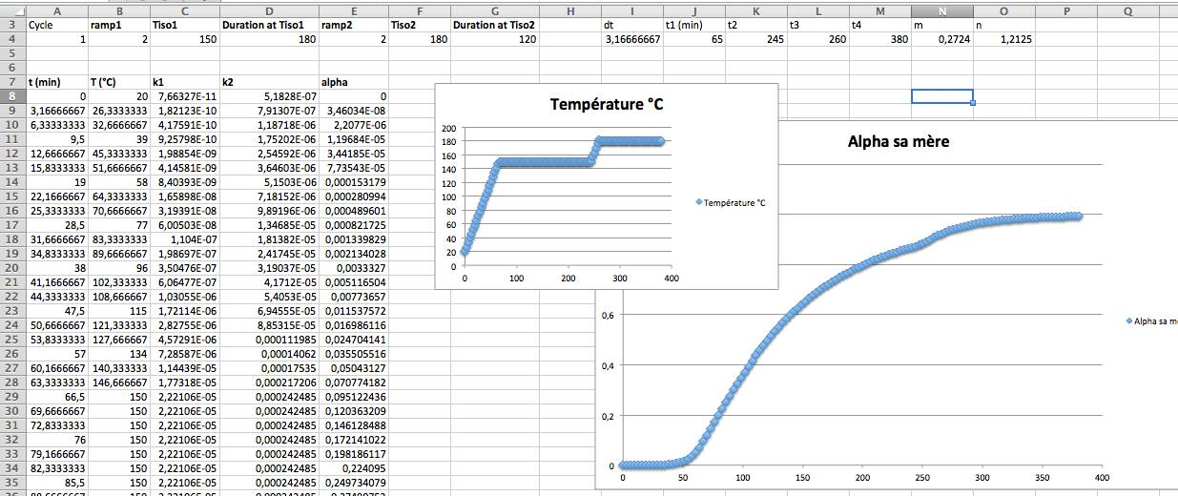
6 | 32 | 305.15 | 3.7837370005E-10 | 1.1313023186E-06 | 1.221044471E-08
8 | 36 | 309.15 | 6.2956872724E-10 | 1.4510160853E-06 | 2.8780922189E-08
10 | 40 | 313.15 | 1.0339900834E-09 | 1.8492870373E-06 | 5.5659068767E-08
12 | 44 | 317.15 | 1.677082248E-09 | 2.3424992364E-06 | 9.6803784786E-08
14 | 48 | 321.15 | 2.6875725926E-09 | 2.9498294279E-06 | 1.5771075128E-07
16 | 52 | 325.15 | 4.257228848E-09 | 3.6936101694E-06 | 2.4586566913E-07
18 | 56 | 329.15 | 6.6686580969E-09 | 4.5997234753E-06 | 3.713588885E-07
20 | 60 | 333.15 | 1.0334023808E-08 | 5.6980255951E-06 | 5.4769085301E-07
22 | 64 | 337.15 | 1.5848443043E-08 | 7.0228033679E-06 | 7.9281486144E-07
24 | 68 | 341.15 | 2.4062938678E-08 | 8.6132624139E-06 | 1.1304786411E-06
26 | 72 | 345.15 | 3.6183206924E-08 | 1.0514047235E-05 | 1.5919428452E-06
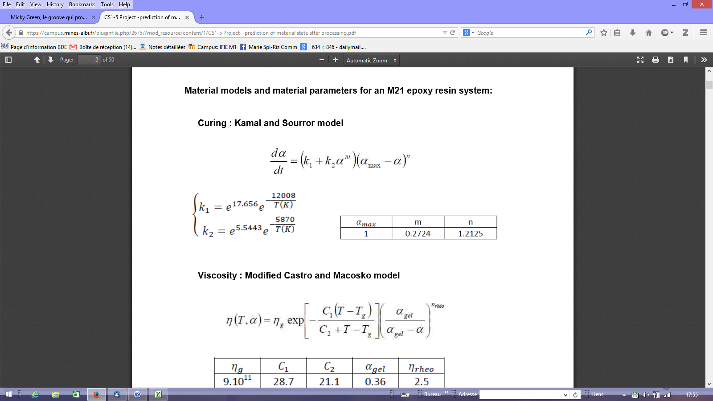
28 | 76 | 349.15 | 5.3902170648E-08 | 1.2775793099E-05 | 2.2181743775E-06
30 | 80 | 353.15 | 7.957638236E-08 | 1.5455709396E-05 | 3.0626364497E-06
32 | 84 | 357.15 | 1.1645888258E-07 | 1.8618193939E-05 | 4.1948264554E-06
34 | 88 | 361.15 | 1.690041817E-07 | 2.2335477508E-05 | 5.7047481301E-06
36 | 92 | 365.15 | 2.4326469518E-07 | 2.6688297731E-05 | 7.7085472178E-06
38 | 96 | 369.15 | 3.474023086E-07 | 3.17666012E-05 | 1.0355591257E-05
40 | 100 | 373.15 | 4.9234387273E-07 | 3.767027257E-05 | 1.3837335604E-05
42 | 104 | 377.15 | 6.9261542644E-07 | 4.4509889177E-05 | 1.8398391014E-05
44 | 108 | 381.15 | 9.6739692111E-07 | 5.240749957E-05 | 2.4350294829E-05
46 | 112 | 385.15 | 1.3418472803E-06 | 6.1497424211E-05 | 3.2088590002E-05
48 | 116 | 389.15 | 1.848758885E-06 | 7.1927076415E-05 | 4.2113935979E-05
50 | 120 | 393.15 | 2.5306111413E-06 | 8.3857801527E-05 | 5.5058115176E-05
52 | 124 | 397.15 | 3.4421047754E-06 | 9.746573217E-05 | 7.1715960879E-05
54 | 128 | 401.15 | 4.6532720334E-06 | 0.00011294265733 | 9.3084419387E-05
56 | 132 | 405.15 | 6.2532731405E-06 | 0.00013049690293 | 0.00012041017387
58 | 136 | 409.15 | 8.3550063199E-06 | 0.00015035422152 | 0.0001552475022
60 | 140 | 413.15 | 1.110067748E-05 | 0.00017275868858 | 0.00019952831869
62 | 144 | 417.15 | 1.4668496455E-05 | 0.0001979736029 | 0.00025564666221
64 | 148 | 421.15 | 1.9280689519E-05 | 0.00022628238867 | 0.00032656024264
66 | 150 | 423.15 | 2.2062221171E-05 | 0.00024169127823 | 0.0004159120452
68 | 150 | 423.15 | 2.2062221171E-05 | 0.00024169127823 | 0.00051796883849
70 | 150 | 423.15 | 2.2062221171E-05 | 0.00024169127823 | 0.00062358247311
72 | 150 | 423.15 | 2.2062221171E-05 | 0.00024169127823 | 0.00073237166677
74 | 150 | 423.15 | 2.2062221171E-05 | 0.00024169127823 | 0.00084404313274
76 | 150 | 423.15 | 2.2062221171E-05 | 0.00024169127823 | 0.00095836299685
78 | 150 | 423.15 | 2.2062221171E-05 | 0.00024169127823 | 0.001075139594
80 | 150 | 423.15 | 2.2062221171E-05 | 0.00024169127823 | 0.0011942124428
82 | 150 | 423.15 | 2.2062221171E-05 | 0.00024169127823 | 0.0013154448272
84 | 150 | 423.15 | 2.2062221171E-05 | 0.00024169127823 | 0.0014387186059
86 | 150 | 423.15 | 2.2062221171E-05 | 0.00024169127823 | 0.0015639304624
88 | 150 | 423.15 | 2.2062221171E-05 | 0.00024169127823 | 0.0016909891239
90 | 150 | 423.15 | 2.2062221171E-05 | 0.00024169127823 | 0.0018198132494
92 | 150 | 423.15 | 2.2062221171E-05 | 0.00024169127823 | 0.0019503297973
94 | 150 | 423.15 | 2.2062221171E-05 | 0.00024169127823 | 0.002082472739
96 | 150 | 423.15 | 2.2062221171E-05 | 0.00024169127823 | 0.0022161820336
98 | 150 | 423.15 | 2.2062221171E-05 | 0.00024169127823 | 0.0023514027963
100 | 150 | 423.15 | 2.2062221171E-05 | 0.00024169127823 | 0.0024880846194
102 | 150 | 423.15 | 2.2062221171E-05 | 0.00024169127823 | 0.0026261810099
104 | 150 | 423.15 | 2.2062221171E-05 | 0.00024169127823 | 0.0027656489198
106 | 150 | 423.15 | 2.2062221171E-05 | 0.00024169127823 | 0.0029064483511
108 | 150 | 423.15 | 2.2062221171E-05 | 0.00024169127823 | 0.0030485420202
110 | 150 | 423.15 | 2.2062221171E-05 | 0.00024169127823 | 0.0031918950717
112 | 150 | 423.15 | 2.2062221171E-05 | 0.00024169127823 | 0.0033364748311
114 | 150 | 423.15 | 2.2062221171E-05 | 0.00024169127823 | 0.0034822505924
116 | 150 | 423.15 | 2.2062221171E-05 | 0.00024169127823 | 0.0036291934318
118 | 150 | 423.15 | 2.2062221171E-05 | 0.00024169127823 | 0.0037772760458
120 | 150 | 423.15 | 2.2062221171E-05 | 0.00024169127823 | 0.0039264726083
122 | 150 | 423.15 | 2.2062221171E-05 | 0.00024169127823 | 0.0040767586449
124 | 150 | 423.15 | 2.2062221171E-05 | 0.00024169127823 | 0.0042281109213
126 | 150 | 423.15 | 2.2062221171E-05 | 0.00024169127823 | 0.0043805073441
128 | 150 | 423.15 | 2.2062221171E-05 | 0.00024169127823 | 0.004533926872
130 | 150 | 423.15 | 2.2062221171E-05 | 0.00024169127823 | 0.0046883494369
132 | 150 | 423.15 | 2.2062221171E-05 | 0.00024169127823 | 0.0048437558717
134 | 150 | 423.15 | 2.2062221171E-05 | 0.00024169127823 | 0.0050001278468
136 | 150 | 423.15 | 2.2062221171E-05 | 0.00024169127823 | 0.0051574478114
138 | 150 | 423.15 | 2.2062221171E-05 | 0.00024169127823 | 0.0053156989411
140 | 150 | 423.15 | 2.2062221171E-05 | 0.00024169127823 | 0.0054748650896
142 | 150 | 423.15 | 2.2062221171E-05 | 0.00024169127823 | 0.0056349307453
144 | 150 | 423.15 | 2.2062221171E-05 | 0.00024169127823 | 0.0057958809916
146 | 150 | 423.15 | 2.2062221171E-05 | 0.00024169127823 | 0.0059577014696
148 | 150 | 423.15 | 2.2062221171E-05 | 0.00024169127823 | 0.0061203783457
150 | 150 | 423.15 | 2.2062221171E-05 | 0.00024169127823 | 0.0062838982799
152 | 150 | 423.15 | 2.2062221171E-05 | 0.00024169127823 | 0.006448248398
154 | 150 | 423.15 | 2.2062221171E-05 | 0.00024169127823 | 0.0066134162652
156 | 150 | 423.15 | 2.2062221171E-05 | 0.00024169127823 | 0.0067793898621
158 | 150 | 423.15 | 2.2062221171E-05 | 0.00024169127823 | 0.0069461575624
160 | 150 | 423.15 | 2.2062221171E-05 | 0.00024169127823 | 0.0071137081119
162 | 150 | 423.15 | 2.2062221171E-05 | 0.00024169127823 | 0.0072820306093
164 | 150 | 423.15 | 2.2062221171E-05 | 0.00024169127823 | 0.0074511144887
166 | 150 | 423.15 | 2.2062221171E-05 | 0.00024169127823 | 0.0076209495024
168 | 150 | 423.15 | 2.2062221171E-05 | 0.00024169127823 | 0.0077915257058
170 | 150 | 423.15 | 2.2062221171E-05 | 0.00024169127823 | 0.0079628334424
172 | 150 | 423.15 | 2.2062221171E-05 | 0.00024169127823 | 0.0081348633306
174 | 150 | 423.15 | 2.2062221171E-05 | 0.00024169127823 | 0.0083076062511
176 | 150 | 423.15 | 2.2062221171E-05 | 0.00024169127823 | 0.0084810533346
178 | 150 | 423.15 | 2.2062221171E-05 | 0.00024169127823 | 0.0086551959508
180 | 150 | 423.15 | 2.2062221171E-05 | 0.00024169127823 | 0.008830025698
182 | 150 | 423.15 | 2.2062221171E-05 | 0.00024169127823 | 0.0090055343932
184 | 150 | 423.15 | 2.2062221171E-05 | 0.00024169127823 | 0.0091817140628
186 | 150 | 423.15 | 2.2062221171E-05 | 0.00024169127823 | 0.0093585569337
188 | 150 | 423.15 | 2.2062221171E-05 | 0.00024169127823 | 0.0095360554252
190 | 150 | 423.15 | 2.2062221171E-05 | 0.00024169127823 | 0.0097142021413
192 | 150 | 423.15 | 2.2062221171E-05 | 0.00024169127823 | 0.0098929898632
194 | 150 | 423.15 | 2.2062221171E-05 | 0.00024169127823 | 0.010072411542
196 | 150 | 423.15 | 2.2062221171E-05 | 0.00024169127823 | 0.010252460294
198 | 150 | 423.15 | 2.2062221171E-05 | 0.00024169127823 | 0.01043312939
200 | 150 | 423.15 | 2.2062221171E-05 | 0.00024169127823 | 0.010614412256
202 | 150 | 423.15 | 2.2062221171E-05 | 0.00024169127823 | 0.01079630246
204 | 150 | 423.15 | 2.2062221171E-05 | 0.00024169127823 | 0.010978793714
206 | 150 | 423.15 | 2.2062221171E-05 | 0.00024169127823 | 0.011161879865
208 | 150 | 423.15 | 2.2062221171E-05 | 0.00024169127823 | 0.011345554888
210 | 150 | 423.15 | 2.2062221171E-05 | 0.00024169127823 | 0.011529812886
212 | 150 | 423.15 | 2.2062221171E-05 | 0.00024169127823 | 0.011714648086
214 | 150 | 423.15 | 2.2062221171E-05 | 0.00024169127823 | 0.011900054828
216 | 150 | 423.15 | 2.2062221171E-05 | 0.00024169127823 | 0.01208602757
218 | 150 | 423.15 | 2.2062221171E-05 | 0.00024169127823 | 0.012272560878
220 | 150 | 423.15 | 2.2062221171E-05 | 0.00024169127823 | 0.012459649422
222 | 150 | 423.15 | 2.2062221171E-05 | 0.00024169127823 | 0.01264728798
224 | 150 | 423.15 | 2.2062221171E-05 | 0.00024169127823 | 0.012835471425
226 | 150 | 423.15 | 2.2062221171E-05 | 0.00024169127823 | 0.013024194729
228 | 150 | 423.15 | 2.2062221171E-05 | 0.00024169127823 | 0.013213452956
230 | 150 | 423.15 | 2.2062221171E-05 | 0.00024169127823 | 0.013403241261
232 | 150 | 423.15 | 2.2062221171E-05 | 0.00024169127823 | 0.013593554888
234 | 150 | 423.15 | 2.2062221171E-05 | 0.00024169127823 | 0.013784389163
236 | 150 | 423.15 | 2.2062221171E-05 | 0.00024169127823 | 0.013975739498
238 | 150 | 423.15 | 2.2062221171E-05 | 0.00024169127823 | 0.014167601384
240 | 150 | 423.15 | 2.2062221171E-05 | 0.00024169127823 | 0.014359970388
242 | 150 | 423.15 | 2.2062221171E-05 | 0.00024169127823 | 0.014552842155
244 | 150 | 423.15 | 2.2062221171E-05 | 0.00024169127823 | 0.014746212403
246 | 154 | 427.15 | 2.8777852324E-05 | 0.0002752185323 | 0.01494007692
248 | 158 | 431.15 | 3.7353053117E-05 | 0.00031264217049 | 0.015168570446
250 | 162 | 435.15 | 4.825157175E-05 | 0.00035432312208 | 0.015438023116
252 | 166 | 439.15 | 6.2039938562E-05 | 0.00040064645206 | 0.015755981882
254 | 170 | 443.15 | 7.9407337761E-05 | 0.00045202222649 | 0.016131449115
256 | 174 | 447.15 | 0.00010118873812 | 0.00050888636322 | 0.016575165297
258 | 178 | 451.15 | 0.00012839171516 | 0.00057170146549 | 0.017099942579
260 | 180 | 453.15 | 0.00014439589181 | 0.00060549268984 | 0.017721056497
262 | 180 | 453.15 | 0.00014439589181 | 0.00060549268984 | 0.018398668557
...

Feuil2
 | T
0 | 20
2 | 24
4 | 28
6 | 32
8 | 36
10 | 40
12 | 44
14 | 48
16 | 52
18 | 56
20 | 60
22 | 64
24 | 68
26 | 72
28 | 76
30 | 80
32 | 84
34 | 88
36 | 92
38 | 96
40 | 100
42 | 104
44 | 108
46 | 112
48 | 116
50 | 120
52 | 124
54 | 128
56 | 132
58 | 136
60 | 140
62 | 144
64 | 148
66 | 150
68 | 150
70 | 150
72 | 150
74 | 150
76 | 150
78 | 150
80 | 150
82 | 150
84 | 150
86 | 150
88 | 150
90 | 150
92 | 150
94 | 150
96 | 150
98 | 150
...
 | Calcul alpha
0 | 0
2 | 1.5113952731E-10
4 | 3.2332852292E-09
6 | 1.221044471E-08
8 | 2.8780922189E-08
10 | 5.5659068767E-08
12 | 9.6803784786E-08
14 | 1.5771075128E-07
16 | 2.4586566913E-07
18 | 3.713588885E-07
20 | 5.4769085301E-07
22 | 7.9281486144E-07
24 | 1.1304786411E-06
26 | 1.5919428452E-06
28 | 2.2181743775E-06
30 | 3.0626364497E-06
32 | 4.1948264554E-06
34 | 5.7047481301E-06
36 | 7.7085472178E-06
38 | 1.0355591257E-05
40 | 1.3837335604E-05
42 | 1.8398391014E-05
44 | 2.4350294829E-05
46 | 3.2088590002E-05
48 | 4.2113935979E-05
50 | 5.5058115176E-05
52 | 7.1715960879E-05
54 | 9.3084419387E-05
56 | 0.00012041017387
58 | 0.0001552475022
60 | 0.00019952831869
62 | 0.00025564666221
64 | 0.00032656024264
66 | 0.0004159120452
68 | 0.00051796883849
70 | 0.00062358247311
72 | 0.00073237166677
74 | 0.00084404313274
76 | 0.00095836299685
78 | 0.001075139594
80 | 0.0011942124428
82 | 0.0013154448272
84 | 0.0014387186059
86 | 0.0015639304624
88 | 0.0016909891239
90 | 0.0018198132494
92 | 0.0019503297973
94 | 0.002082472739
96 | 0.0022161820336
98 | 0.0023514027963
...

